Product Dimension & Diagram
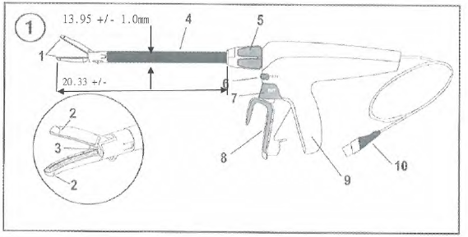

Component
1 | Jaw
2 | Cut line
3 | Knife (not visible)
4 | Shaft
5 | 360° rotation knob
6 | SEAL button
7 | Cut button
8 | Closing shaft
9 | Grip
10 | Attached power cord

Annex A
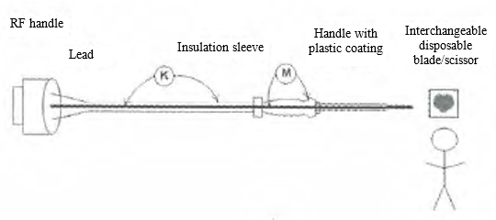
Product Classification and safety characteristics | Insulation Diagram
a. Classification according to the type of protection against electric shock: Not applicable
b. Classification according to the degree of protection against electric shock: Type CF applied part
c. Classification according to the degree of protection against liquid ingress: Not applicable
d. Classification according to the safety degree of product used in the flammable anesthesia gas mixed with air, oxygen or nitrous oxide: Not applicable
e. Classification according to the operation mode: Not applicable
f. Rated voltage of accessory: 141.4 Vp; Rated frequency of equipment: Not applicable;
g. Input power of equipment: Not applicable | Region | Insulation type: Operation insulation/basic insulation/assistant insulation/double insulation/reinforced insulation | Reference voltage (~V) | Test voltage (~V) | Essential creepage distance (mm) | Essential clearance (mm) | Insulation route
h. Whether the equipment has defibrillation-proof applied part: Not applicable | K | DI/BI | 240/240 | 4000 | 8 | 5. 0 | B-e
i. Whether the equipment has a signal input or output part: No | M | SI/BI | 425/240 | 2850 | 4. 0 | 4. 0 | B-c
j. Permanently or non-permanently installed equipment: Non-permanently installed equipment
k. Electrical insulation diagram

